Data_Flow_Diagram
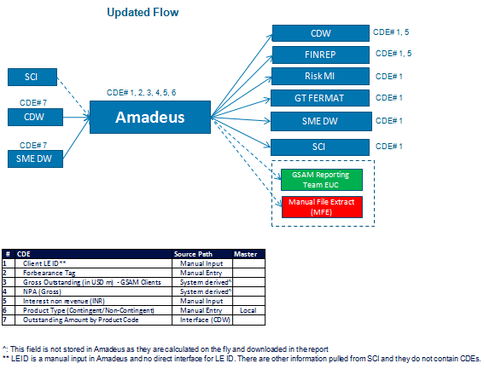
Upstream /
Source
Midstream /
Target
Downstream /
Destination
Data Flow Diagram - (A high level simple diagram is sufficent) | Examples
The purpose of this is to allow reviewer to understand how the CRMs/CDEs and their underlying CDE flows to source, ie. the flow data used by downstreams process, all the way to its origin (TP or reference data application).

